2011 CO2 Emissions Top Countrie
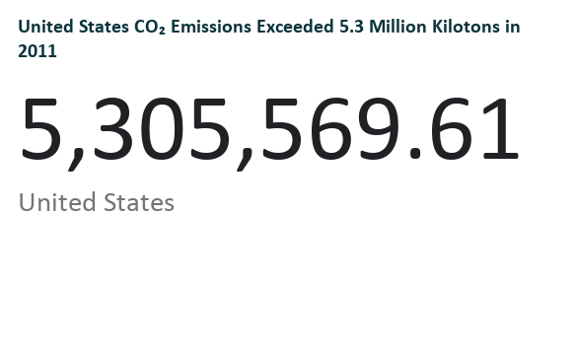
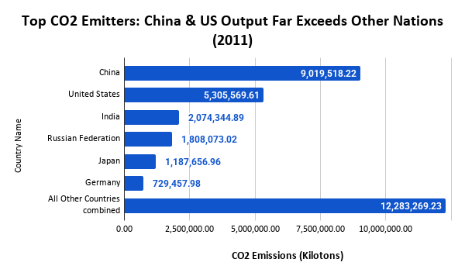
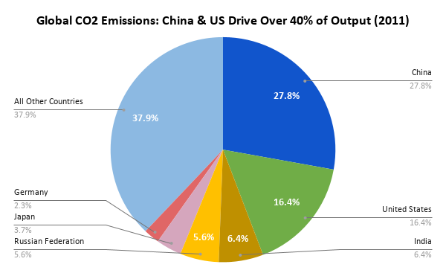
Country Name | CO2 (kt)
China | 9,019,518.22
United States | 5,305,569.61
India | 2,074,344.89
Russian Federation | 1,808,073.02
Japan | 1,187,656.96
Germany | 729,457.98
All Other Countries combined | 12,283,269.23

USA CO2 Emissions by Year
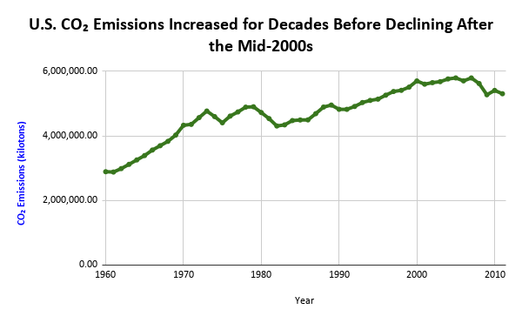
Country Name | Year | CO2 (kt)
United States | 1960 | 2,890,696.10
United States | 1961 | 2,880,505.51
United States | 1962 | 2,987,207.87
United States | 1963 | 3,119,230.87
United States | 1964 | 3,255,995.31
United States | 1965 | 3,390,922.57
United States | 1966 | 3,561,878.11
United States | 1967 | 3,695,708.94
United States | 1968 | 3,831,354.94
United States | 1969 | 4,024,748.85
United States | 1970 | 4,328,904.50
United States | 1971 | 4,356,770.03
United States | 1972 | 4,564,952.96
United States | 1973 | 4,770,194.95
United States | 1974 | 4,598,487.67
United States | 1975 | 4,406,329.54
United States | 1976 | 4,613,100.67
United States | 1977 | 4,742,292.75
United States | 1978 | 4,890,861.25
United States | 1979 | 4,901,796.24
United States | 1980 | 4,723,209.68
United States | 1981 | 4,535,800.31
United States | 1982 | 4,306,748.49
United States | 1983 | 4,341,878.35
United States | 1984 | 4,475,192.13
United States | 1985 | 4,492,555.38
United States | 1986 | 4,495,463.31
United States | 1987 | 4,688,373.18
United States | 1988 | 4,892,526.07
United States | 1989 | 4,955,081.42
United States | 1990 | 4,823,557.13
United States | 1991 | 4,822,383.69
United States | 1992 | 4,911,103.09
United States | 1993 | 5,032,931.83
United States | 1994 | 5,098,475.79
United States | 1995 | 5,138,009.72
United States | 1996 | 5,260,696.54
United States | 1997 | 5,375,235.28
United States | 1998 | 5,410,918.86
United States | 1999 | 5,510,430.24
United States | 2000 | 5,701,829.30
United States | 2001 | 5,601,404.84
United States | 2002 | 5,648,727.47
United States | 2003 | 5,679,222.25
United States | 2004 | 5,763,456.90
United States | 2005 | 5,795,161.79
United States | 2006 | 5,703,871.82
United States | 2007 | 5,794,923.43
United States | 2008 | 5,622,464.42
United States | 2009 | 5,274,132.42
United States | 2010 | 5,408,869.00
United States | 2011 | 5,305,569.61

